Sheet1
PRODUCTION SECTOR REPORT FOR MASNDI DISTRICT LOCAL GOVERNMENT
Name of the district: MASINDI : Reporting period: JULY 2023-JUNE 2024: Date of reporting:10/JULY/2024
A | GENERAL INFORMATION
1 | District profile | Number
i | Constituencies | 03
ii | No. of subcounties | 10
iii | No. of Town Councils | 04
iv | Total No. of HH | 48,620
v | No. of farm HH | 38,896
vi | No. of staff (attach list) | 21
vii | HH:Staff ratio | 1852:1
2 | District headquater facilities
 | Name of facility/asset | Total Number
 |  | Functional | Non Functional
i | Vehicle | 01 | 00
ii | Motorcycles | 19 | 05
iii | Computers/CPU | 4 | 01
iv | Printers | 3 | 01
v | Photocopiers | 00 | 00
vi | Tractors | 01 | 00
vi | Fridges | 06 | 00
vii | Surgical Kit | 01 | 00
viii | Vet Obsetric Kit | 01 | 00
ix | Centrifige | 01 | 00
x | Microscope | 02 | 00
xi | Cold boxes | 07 | 00
xii | Vet Artificial Insemination Kit | 01 | 00
xiii | Gas tanks | 00 | 03
ix | Laptops | 03 | 00
3 | Tractor operations
 | Name of subcounty | Land Ploughed in hectare
i | Miirya | 3990
ii | Bwijanga | 2019
ii | Budongo | 3530
iv | Kimengo | 5000
v | Pakanyi | 2900
vi | Kiruli | 1750
vii | Labango | 2600
viii | Bikonzi | 4140
ix | Nyantonzi | 1800
x | Kijunjubwa | 280
xi | Kabango T/C | 150
xii | KyatirinT/C | 650
xiii | Buliima T/C | 800
xiv | Kijunjubwa T/C | 60
 | Total | 29,669

4 | CSOs/NGOs/Companies (Non state actors):
 | Name | Main Activities/Thematic Area | Relationship (MoU/Agreement)
 | Water trust | Clean water and WASH | MOU
 | Baylor | Support to people living with HIV | MOU
 | Mukwano | Sunflower production | MOU
 | MADFA (Masindi district Farmers Association) | Crop production/ Loan | MOU
 | JGI (Jane Goodall institute) | Agric Enterprises/Chimp protection/ Forest restoration | MOU
 | UWA (Uganda Wildlife Authority) | Support to farmers with livilhood projects | MOU
 | FICA SEEDS | Supply seeds and Agronomy demonstrations | MOU
 | KIRUDA | Maize growing | MOU
 | Budongo Conservation Forest Station | Support to farmers with livilhood projects | MOU
 | Joseph Initiative/Asili Farm | Maize growing | MOU
 | AFROKAI | Maize growing | MOU
 | Kinyara Sugar | Bio-fertilizers and sugarcane growing | MOU
 | Kafu Eco-Farm International | Maize growing | None
 | Mena foods | Livestock feeds | MOU
 | Soul Agric | Friut growing | None
 | Kazire | Friut growing | MOU
 | Intergrated Child Youth Development | Support to farmers with livilhood projects | MOU
 | Biodiversity for Resilience (B4R) | Support to farmers with livilhood projects | MOU
 | Swissconnect | Support Bee farmers | MOU
 | Eco-trust | Support in Agro-forestry | MOU
 | Total (where applicable)

5 | Agro-input dealers in the district
 | Nameof dealer/Business | Location | Contact telephone
 | Crop inputs
 | Kasangaki Gerald | Buliima T/C | 0772437184
 | Ayebale Evelyn | Buliima T/C | 0771616678
 | Robina Mpanja | Buliima T/C | 0774203584
 | Riverside Farm Supply | Kabango T/C | 0779470099
 | G and G farm Supply | Kabango T/C | 0775219990
 | Kabango Farm Supply | Kabango T/C | 0785319434
 | Farm Supply Shop | Nyantozi S/c | 0785319434
 | Qaulity Supply Shop | Kabango T/C | 0788779051
 | Anguduleo Simon | Kabango T/C | 0775583660
 | Victory Farm Supply | Bwijanga S/C | 0785143284
 | Semakula Wilson | Bwijanga S/C | 0785877044
 | NN Farm Supply | BwijangaS/C | 0772383139
 | Kansiime Vet Drug Shop | Kibanja Trading Center | 0785391528
 | Farm Solutions Enterprise | Pakanyi S/C | 0783464400
 | Pakanyi farm supply | Pakanyi S/C | 0774203522
 | Trust agro-input | Pakanyi S/C | 0782924551
 | Baikaire ent. Ltd | Pakanyi S/C | 0774321301
 | Abigaba Edrin farm supply(Kibamba Farm Supply) | Pakanyi S/C | 0785984021
 | Tibenda farm supply | Pakanyi S/C | 0775482673
 | Mugalex agri-ent | Pakanyi S/C | 0773432951
 | Kansiime agro-input | Pakanyi S/C | 0784893435
 | M and J agro-input | Pakanyi S/C | 0775504135
 | God and Family | Pakanyi S/C | 0778314494
 | Mudenga Farm Supply | Pakanyi S/C | 0771992925
 | Ahuura Farm Supply | Pakanyi S/C | 0775000635
 | RR Farm Supply | Pakanyi S/C | 077644516
 | Flamengo Agro input shop | Pakanyi S/C | 0785386549
 | Bigando Farm supply | Pakanyi S/C | 0788241946
 | MELMAM | Pakanyi S/C | 0782624056
 | Atagwirweho farm supply | Pakanyi S/C | 0772873657
 | Abigaba Edrin farm supply(Alimongonza Farm Supply) | Pakanyi S/C | 0785984021
 | Makabla Farm Supply | Pakanyi S/C | 077240739
 | Saphire Agribussines Enterprises | Pakanyi S/C | 0774987040
 | IB AGROINPUT | Pakanyi S/C | 0777222346
 | Mpase Farm supply | Pakanyi S/C | 0787314481
 | Munyala Enterprises | Pakanyi S/C | 0771477275
 | Julius R Agro Shop | Pakanyi S/C | 0778897989
 | M and S Agro Farm supply | Pakanyi S/C | 0787990322
 | Baisanza Enterproses LTD | Pakanyi S/C | 0774321301
 | Baisanza Enterproses LTD | Pakanyi S/C | 0774321301
 | Atuhura farm supply | Pakanyi S/C | 0787314402

 | Livestock Drugshops
 | Kijunjubwa Animal Care | Kijunjubwa | 0783337365
 | Pioneer Vet Drug shop | Masindi Town | 0772667551
 | Kitara vet Pharmacy | Masindi Town | 0776548489
 | Roma Vet Drug Shop | Masindi Town | 0774315612
 | Kijunjubwa Vet Center | Kijunjubwa | 0772617760
 | Kansiime Vet Drug Shop | Myeeba Trading Center | 0785391528
 | Kijunjubwa Vet shop | Kijunjubwa | 0772667551
 | Ntooma Vet Drug Shop | Ntooma | 0774450904
 | Masindi vet pharmacy | Masindi Town | 077578564
 | Kibangya Vet Drugshop | Kibangya Trading Center | 0771860293

 | Livestock feed/Ingredients supliers
 | Name | Location | Type of feeds/ Ingrdients
 | MGK livestock feeds | Kijura | Maize, Soya, Cotton etc
 | Agrovet | Masindi town- port road | Maize, Soya, Cotton etc
 | Koudijs | Masindi town- port road | Concentrates
 | Davis poultry feeds | Masindi town- port road | Concentrates
 | Biyinzika poultry | Masindi town- port road | Starter, grower and finishers
6 | Farmer cooperatives
 | Name | Membership | Location
 | Bulyasojjo coffee farmers cooperative | 120 | Central Division
 | Nyangahya coffee farmers cooperative | 60 | Nyangahya Division
 | Karujubi coffee Growers | 234 | Karujubu Division
...
F | FIVE MAJOR CHALLENGES DURING THE QUARTER
iii | Inadequte uptake of improved technologies by farmers
vi | Climatic changes
v | Inadequate supply of Animal vaccines
G | SUGGESTED RECOMMENDATIONS ON THE CHALLENGES STATED ABOVE
i | General extension workers capacity building
ii | Lobbying for inputs subsidies
iii | Enterprize mix for high value enterprises
iv | Lobby government to increase supply of Animal vaccines
 | GENERAL PICTURIAL REPRESENTATION OF FIELD EXTENSION SERVICES BY EXTENSION WORKERS

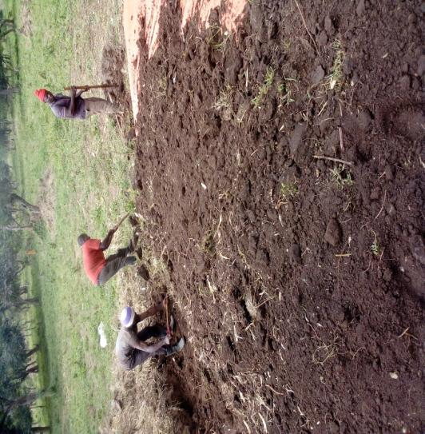
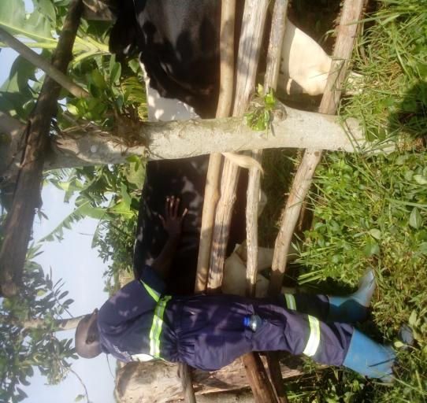

Demonstrationg to farmers silage making in Nyanazara village Kijunjuwba sucounty: AHO
Conducting pregnancy Diagnosis in Cows at Kyatiri farm in Kyatiri west cell in Kyatiri Town Council: AHO

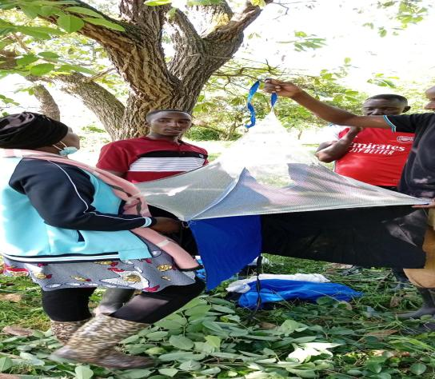
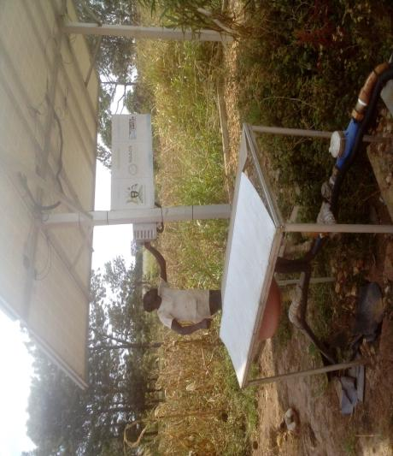

Demonstrating tsetse flies traping in Mwiguru village Kijunjuwba sub county : AEO
Followup on NAADS water facilities given out to farmer groups, this is a solar pump in Kihanguzi village Labongo sub county: AO

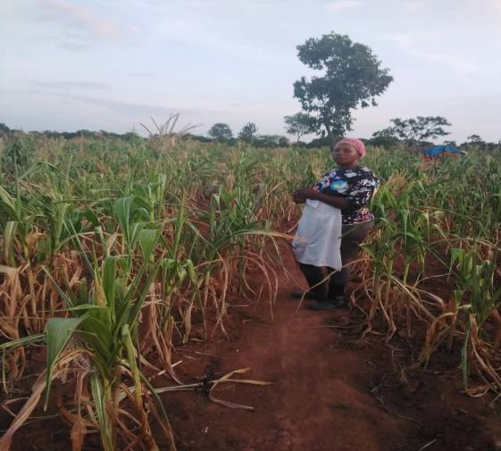
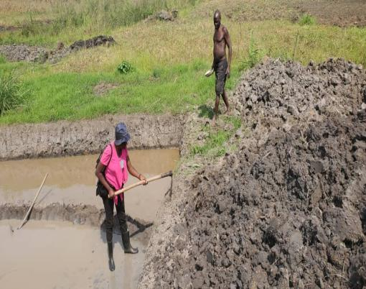

Some of the maize gardens being affected by sun heat in Kimengo in third quarter
Demonstrating to a fish farmer in Kijogoro village Miirya sub county on fish pond construction: AFO

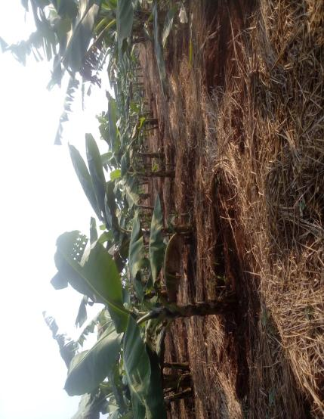
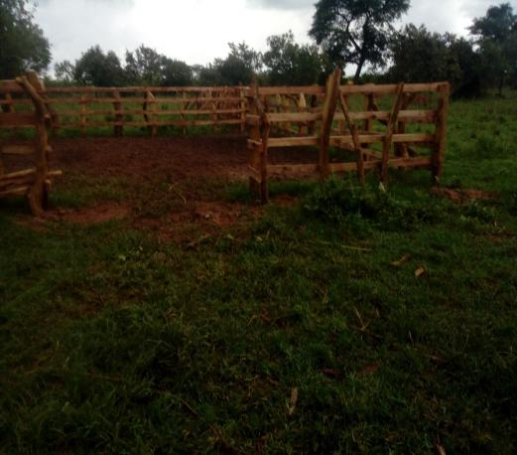

One of the well maintained banana field in Kyatiri west cell, Kyatiri TC: AAO Kyatiri TC
Some of the improved cattle crush in Bukooba village Kijunjubwa Sub county: AHO

 | ENDORSEMENT |  |  | Approved by:
 | This report is compiled by:

 | Name:………………………………………….. |  |  | Name:……………….…………
 | Title: Ag DPO |  |  | Title: CAO

